Results
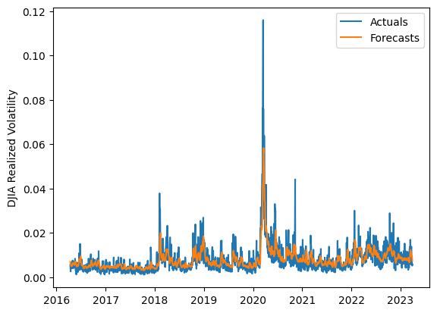
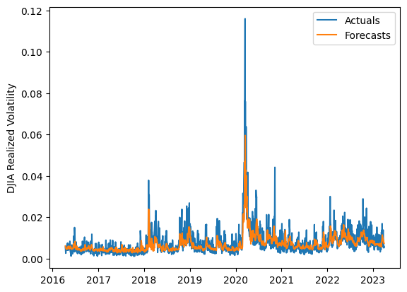
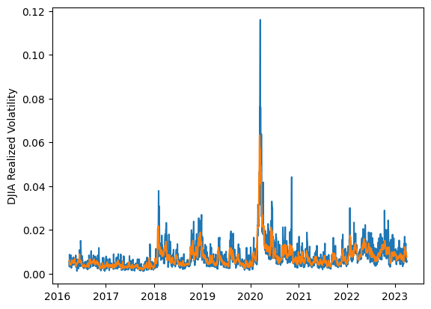
 | LSTM |  |  | TCN |  |  | NBEATSx |  |  |  |  | LSTM |  |  | TCN |  |  | NBEATSx
 | Accuracy | RMSE | Qlike | Accuracy | RMSE | Qlike | Accuracy | RMSE | Qlike |  |  | Accuracy | RMSE | Qlike | Accuracy | RMSE | Qlike | Accuracy | RMSE | Qlike
Trial 1 | 65.30% | 0.251% | 0.088 | 65.49% | 0.256% | 0.093 | 64.37% | 0.247% | 0.087 |  | Mean | 60.66% | 0.263% | 0.103 | 65.68% | 0.263% | 0.094 | 64.31% | 0.250% | 0.090
Trial 2 | 50.30% | 0.305% | 0.142 | 61.04% | 0.265% | 0.105 | 64.28% | 0.251% | 0.093 |  | Standard Deviation | 5.48% | 0.015% | 0.018 | 2.02% | 0.010% | 0.005 | 0.60% | 0.003% | 0.004
Trial 3 | 64.49% | 0.255% | 0.090 | 65.09% | 0.255% | 0.091 | 64.82% | 0.254% | 0.098 |  | 95% CI upper bound | 71.61% | 0.293% | 0.140 | 69.73% | 0.282% | 0.104 | 65.52% | 0.256% | 0.098
Trial 4 | 57.45% | 0.265% | 0.114 | 67.91% | 0.259% | 0.088 | 64.86% | 0.254% | 0.096 |  | 95% CI lower bound | 49.70% | 0.233% | 0.067 | 61.64% | 0.243% | 0.083 | 63.10% | 0.243% | 0.083
Trial 5 | 66.29% | 0.250% | 0.085 | 67.22% | 0.270% | 0.092 | 64.44% | 0.249% | 0.092 |  | 99.7% CI upper bound | 77.09% | 0.307% | 0.158 | 71.75% | 0.292% | 0.110 | 66.12% | 0.260% | 0.101
Trial 6 | 60.72% | 0.258% | 0.101 | 64.93% | 0.254% | 0.093 | 64.32% | 0.247% | 0.085 |  | 99.7% CI lower bound | 44.22% | 0.218% | 0.048 | 59.62% | 0.233% | 0.077 | 62.50% | 0.240% | 0.079
Trial 7 | 57.85% | 0.264% | 0.111 | 67.99% | 0.277% | 0.092 | 64.52% | 0.248% | 0.089
Trial 8 | 67.44% | 0.248% | 0.082 | 67.22% | 0.254% | 0.086 | 64.78% | 0.245% | 0.086
Trial 9 | 58.48% | 0.262% | 0.109 | 66.84% | 0.290% | 0.102 | 62.59% | 0.257% | 0.093
Trial 10 | 52.13% | 0.279% | 0.134 | 66.51% | 0.262% | 0.090 | 64.29% | 0.247% | 0.087
Trial 11 | 56.45% | 0.276% | 0.115 | 63.09% | 0.256% | 0.099 | 63.78% | 0.248% | 0.087
Trial 12 | 68.72% | 0.250% | 0.080 | 68.07% | 0.260% | 0.087 | 64.87% | 0.250% | 0.092
Trial 13 | 64.94% | 0.256% | 0.089 | 64.20% | 0.258% | 0.095 | 64.13% | 0.248% | 0.087
Trial 14 | 59.40% | 0.266% | 0.105 | 65.74% | 0.265% | 0.093 | 63.73% | 0.252% | 0.089
Trial 15 | 59.88% | 0.258% | 0.104 | 63.93% | 0.257% | 0.097 | 64.90% | 0.247% | 0.090

 | LSTM (best trial) |  |  |  |  |  |  |  |  | TCN (best trial) |  |  |  |  |  |  |  |  | NBEATSx (best trial)

